Cover Sheet
BUSA2020 Assignment 1: Excel

Cover Sheet
Name: Minh Chau Vu
Student ID: 48040509
Allocated LGA: Auburn

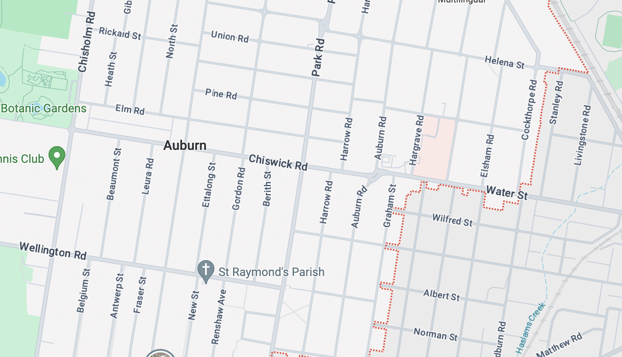
Advantages

Content:
1. Cover Sheet
2. Advantages - Question 1
3. Disadvantages - Question 2
4. Recommendation - Question 3
5. Reflection - Question 4
6. Notes
Disadvantages

Recommendation

Reflection

Notes

Advantages
House Price in Auburn 1992-2017: Advantages
Auburn House Price Trend from 1992 to 2017
Mar-92 | 290
Mar-93 | 296
Mar-94 | 311
Mar-95 | 292
Mar-96 | 318
Mar-97 | 365
Mar-98 | 392
Mar-99 | 487
Mar-00 | 514
Mar-01 | 507
Mar-02 | 583
Mar-03 | 630
Mar-04 | 638
Mar-05 | 655
Mar-06 | 590
Mar-07 | 596
Mar-08 | 542
Mar-09 | 552
Mar-10 | 570
Mar-11 | 537
Mar-12 | 611
Mar-13 | 609
Mar-14 | 588
Mar-15 | 682
Mar-16 | 692
Mar-17 | 675
Strata Dwellings Price Growth Rate Suburbs Comparison
Middle Ring | 128.78
Auburn | 178.75
Burwood | -15.19
Hunters Hills | -13.83
Parramatta | 116.30
table+
Growth Rate
Auburn & Middle Ring
Cover Sheet
Middle Ring
Auburn

Advantages
All Dwellings
132.49
132.19

Non-strata Dwellings
Disadvantages
128.78
178.75
The benefits of investing in Auburn are:
(1) An overall upward tendency is shown for house price of all dwelling types in Auburn. Though minor stages of fluctuation are also present, no major drop has happened over the period, indicating the consistency of this increasing trend.
(2) In comparison with neighbouring suburbs, specifically for Strata Dwellings, Auburn has demonstrated a remarkable growth of 178.75% far outgrowing others. Specially, the growth speed of Auburn even surpassed Middle Ring in All Dwellings and Non-Strata Dwellings sections.
(3) Specifically in terms of Non-strata dwellings, Auburn also has a surprisingly low market volitality (standard deviation measurement), meaning that unpredictability is not to be highly concerned when investing in non-strata houses in this area.
Market Volatility for Non-Strata Dwellings by Suburbs
Auburn | 229
Burwood | 373
Canada Bay | 424
Manly | 550
Hunters Hills | 582
Recommendation

Reflection

Data Tables
229.31

Disadvantages
House Price Auburn 1992-2017: Disadvantages
Market volitality for Strata dwellings comparison by suburbs
Auburn | 156
Bankstown | 119
Canterbury | 108
Hurstville | 124
Parramatta | 117
Strathfield | 105
num
155.81
The disadvantages of investing in Auburn are:
(1) Particularly in Strata Dwellings section, the market volitality of Auburn is higher than other areas inside Middle Ring. For investors who are highly concious about risk and desire high stability may see more potential in other options.
(2) At the same time, when comparing the growth rate of all dwellings prices among nearby suburbs, Auburn humbly stand low with insignificant surge compared to other big suburbs, such as Manly, Hunters Hill, etc,..
All in all, comparetitiveness is the core disadvantage when investing in houses in Auburn since there are considerable number of other promising options that showcase great investing potential.

Cover Sheet
Higher volatility in Auburn House Prices of Strata dwellings from 1992 to 2017 compared to some nearby suburbs

Advantages

Disadvantages

All dwellings price growth rate comparison by suburbs
 | Auburn | Bankstown | Canada Bay | Hunters Hill | Manly
 | 290 | 351 | 391 | 815 | 509
 | 296 | 366 | 490 | 667 | 539
 | 311 | 379 | 570 | 888 | 636
 | 292 | 359 | 537 | 790 | 600
 | 318 | 344 | 515 | 609 | 589
 | 365 | 393 | 658 | 796 | 707
 | 392 | 467 | 746 | 1,023 | 929
 | 487 | 481 | 765 | 1,034 | 912
 | 514 | 493 | 806 | 1,257 | 1,060
 | 507 | 492 | 763 | 1,130 | 987
 | 583 | 583 | 969 | 1,211 | 1,184
 | 630 | 674 | 954 | 1,208 | 1,313
 | 638 | 729 | 938 | 1,696 | 1,323
 | 655 | 671 | 938 | 1,397 | 1,339
 | 590 | 630 | 925 | 1,260 | 1,316
 | 596 | 588 | 889 | 1,339 | 1,127
 | 542 | 571 | 871 | 812 | 1,244
 | 552 | 513 | 816 | 1,021 | 890
 | 570 | 576 | 862 | 1,269 | 1,205
 | 537 | 598 | 816 | 1,551 | 1,066
 | 611 | 609 | 806 | 816 | 1,087
 | 609 | 588 | 724 | 1,244 | 1,075
 | 588 | 664 | 816 | 1,418 | 1,197
 | 682 | 756 | 945 | 1,669 | 1,438
 | 692 | 847 | 992 | 1,984 | 1,653
 | 675 | 850 | 1,095 | 2,200 | 1,838
Recommendation

Reflection

Data Tables

Recommendation
Recommendation

Cover Sheet

Advantages
Based on the information given, overall, with the view to make a stable, profitable and secure investment, Auburn is still a good choice. Despite the apparent superiority in certain aspects of other options in comparison with Auburn, the overall consistent upward trend, relatively decent growth rate and acceptable market volitality of Auburn house prices still outweigh the disadvantages. Investing in Auburn should be a smart move to attain certain profit without extremely high risk, especially for non-strata dwellings

Disadvantages

Recommendation



Reflection

Data Tables

Reflection
House Price Auburn 6/2021: Reflection
Auburn house prices 2017-2021
 | 2017 | 2021
All dwellings | 675 | 799.45
Non-strata dwellings | 980 | 984.69
Strata dwellings | 635 | 561.57
Overall, the trends in Q3 2021 nearly showed the same trend with observations from 1992 to 2017.
(1) Auburn house prices primirily followed an upward trend for all dwellings and non-strata dwellings. However, only strata dwellings' price showcased a minor drop over the period.
(2) Auburn still significantly surpassed other nearby suburbs in growth rate of all dwellings price.
=> ALL IN ALL, Auburn is still a wise investing option, especially for non-strata dwellings rather than strata type to minimize unpredictability.

Cover Sheet

Advantages

Disadvantages

Growth Rate in House Prices of All Dwellings from 2017-2021 comparison by suburbs
Middle Ring | 9.2
Auburn | 18.4
Parramatta | 5.9
Strathfield | -3.2
Recommendation

Reflection

Notes
Notes
- All prices have been adjusted for inflation with the base year of 2017
- There is a lot of missing data during the 1991 period, so I ultilize the data from March 1992 onwards to analyze
- Auburn could not be found in the second dataset. Through research, I found out Auburn has been merged with another area, and used Cumberland as a proxy for Q4
- With some missing value, I fill in with the average number of the column

